listing
1) ENGLISH ITEM NAME (ex : OOOO machine) | 2)中文名称 | 3) MANUFACTUROR (ex : OOO company) | 4) MODEL NO (ex : abc-123) | 5)Serial number | 14) PICTURE (BEFORE PACKING) | 15) PICTURE (NAME PLATE or label) | 16)Quantity | 20)CARTON NO. | 21)CTN QTY | 26)应用范围
Drill press vise | 钻床夹头 | Huifeng Electromechanical Direct Sales Store | 3/8-24UNF | / | 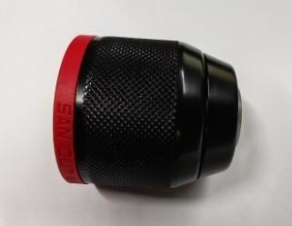 |  | 2 | H3 | 1 | Equipment repair
Audio plug | 音频插头 | Yongsheng Electronics Co., Ltd | 3.5mm | / |  |  | 20 |  |  | TEST USE
power line | 电源线 | JNCZO Electronics factory | / | / | 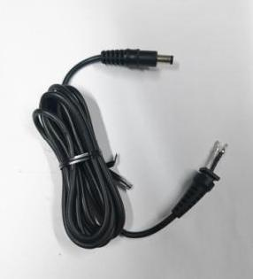 | 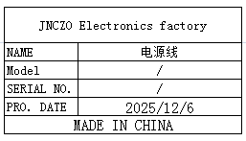 | 30 |  |  | TEST USE
DC Plug | DC插头 | JNCZO Electronics factory | 5.5X2.5 | / |  |  | 20 |  |  | TEST USE
blade | 批锋刀片 | Great Wall Mold and Hardware Tool Store | / | / |  |  | 50 |  |  | Production Tooling
Temperature regulating hot air gun | 调温热风枪 | Shenzhen Anlixin Tools Co., Ltd | A-2000T | / | 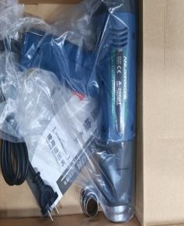 | 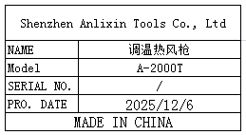 | 2 |  |  | Production Tooling
Automatic gluing machine | 全自动胶纸机 | Dongguan Fuma Electronic Equipment Co., Ltd | M-1000S | / | 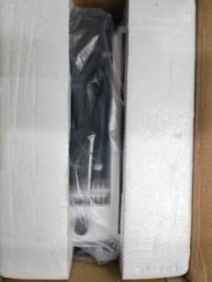 | 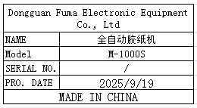 | 1 |  |  | TEST USE
Wire | 电线 | Dongguan Zongkai Cable Technology Co., Ltd | RVV2X0.75 | / | 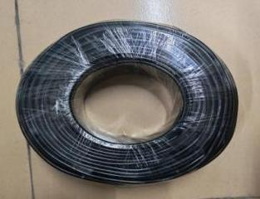 | 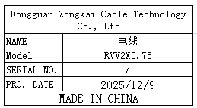 | 100 |  |  | Equipment repair
ELECTROSTATIC FIELDMETER | 静电测试仪 | SLAIDE Instrument (Dongguan) Co., Ltd | FMX-004 | 47673 | 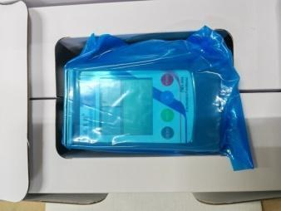 |  | 1 |  |  | Production Tooling
pointer ammeter | 指针电流表 | Shenzhen Youxin Electronic Technology Co., Ltd | 85C1 | / | 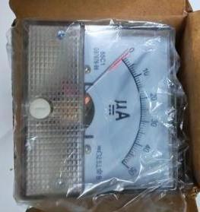 | 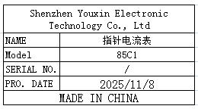 | 20 |  |  | TEST USE
Surface resistance tester | 表面电阻测试仪 | SLAIDE Instrument (Dongguan) Co., Ltd | SL-030B | 26010503 | 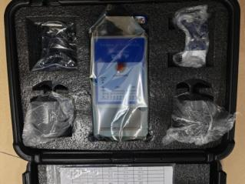 | 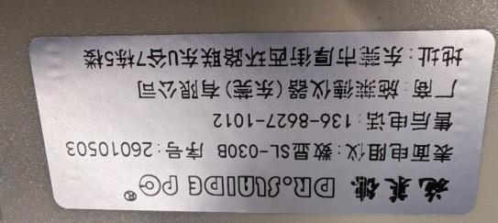 | 1 |  |  | Production Tooling
fan | 风扇 | KAMVP Fan specialty store | FP-108EX-S1-S | / | 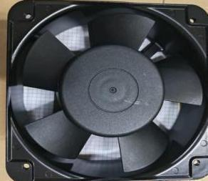 | 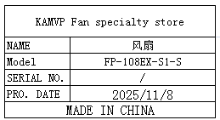 | 10 | H4 | 1 | Production Tooling
support | 支架 | Dongguan Kedun Electronic Equipment Co., Ltd | / | / | 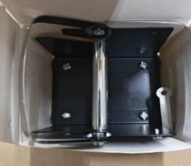 | 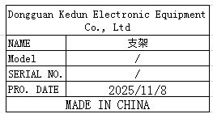 | 30 |  |  | Production Tooling
Test Fixture | 测试夹具 | Techsen Electronics(ShenZhen)Co.,Ltd | Logtag | / | 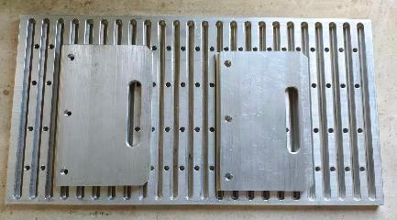 | 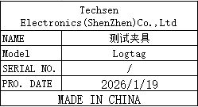 | 40 | H5~H12 | 8 | Production Assemble
Assemble the LCD panel fixture | 组裝LCD板治具 | Techsen Electronics(ShenZhen)Co.,Ltd | MONOPOLY2016 | MONOPOLY2016-F01 | 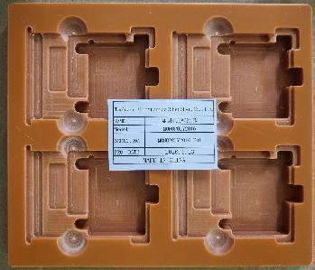 | 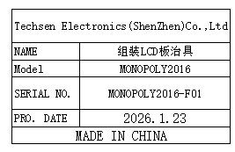 | 6 | H13 | 1 | Production Assemble
Screwdriver fixture for LCD panels | 打LCD板螺丝治具 | Techsen Electronics(ShenZhen)Co.,Ltd | MONOPOLY2016 | MONOPOLY2016-F02 | 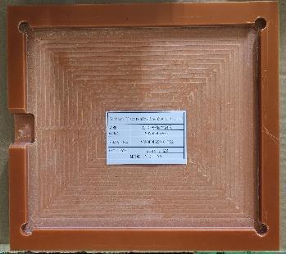 | 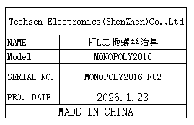 | 2 |  |  | Production Assemble
PCBA test stand fixture | PCBA 测试架治具 | Techsen Electronics(ShenZhen)Co.,Ltd | MONOPOLY2016 | MONOPOLY2016-C01 | 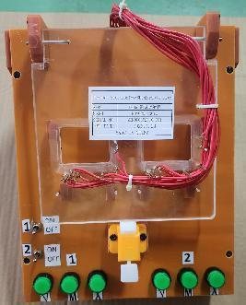 | 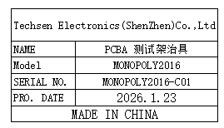 | 2 |  |  | PCBA Testing
Welding horm wire fixture | 焊喇叭线治具 | Techsen Electronics(ShenZhen)Co.,Ltd | MONOPOLY2016 | MONOPOLY2016-F05 | 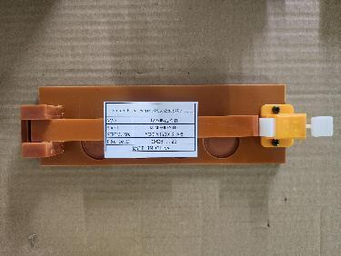 | 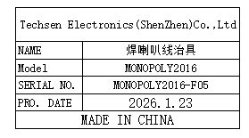 | 1 |  |  | Production Assemble
Hot beer nut fixture | 热啤螺母治具 | Techsen Electronics(ShenZhen)Co.,Ltd | MONOPOLY2016 | MONOPOLY2016-F03 | 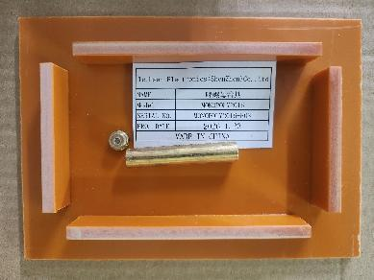 | 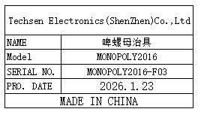 | 1 |  |  | Production Assemble
Battery cellfixture | 啤电池片治具 | Techsen Electronics(ShenZhen)Co.,Ltd | MONOPOLY2016 | MONOPOLY2016-F04 | 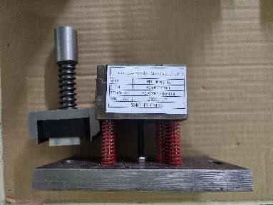 | 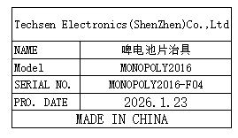 | 1 |  |  | Production Assemble
Welding battery wire/Assemble speaker cover/mainboard fixtures | 焊电池线/装喇叭盖/ 主板治具 | Techsen Electronics(ShenZhen)Co.,Ltd | MONOPOLY2016 | MONOPOLY2016-F06 | 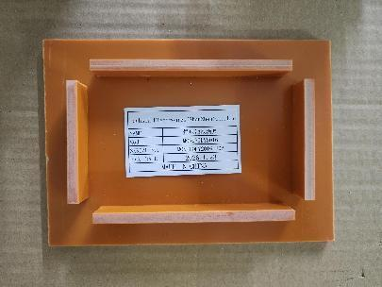 | 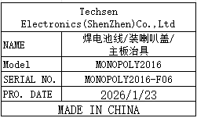 | 6 |  |  | Production Assemble
Screw machine screw fixture for the main machine | 螺丝机打主机 螺丝治具 | Techsen Electronics(ShenZhen)Co.,Ltd | MONOPOLY2016 | MONOPOLY2016-F08 | 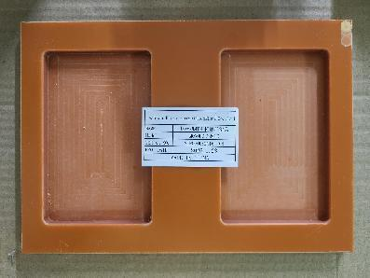 | 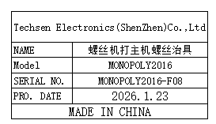 | 2 |  |  | Production Assemble
print datecode/Twist Battery door screw fixture | 打日期/打电池门螺丝治具 | Techsen Electronics(ShenZhen)Co.,Ltd | MONOPOLY2016 | MONOPOLY2016-F09 | 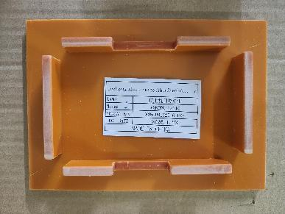 | 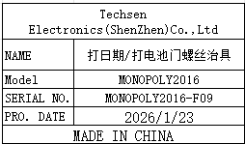 | 2 |  |  | Production Assemble
Host test stand fixture | 主机测试架治具 | Techsen Electronics(ShenZhen)Co.,Ltd | BOP IT MARVEL | BOPITMARVEL-C01 | 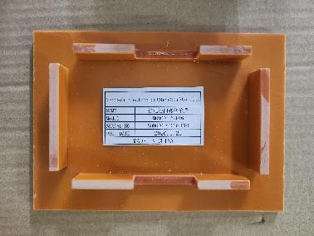 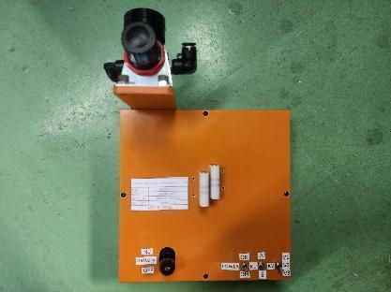 | 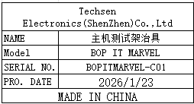 | 2 |  |  | Testing
Host test stand fixture | 主机测试架治具 | Techsen Electronics(ShenZhen)Co.,Ltd | MONOPOLY2016 | MONOPOLY2016-C02 | 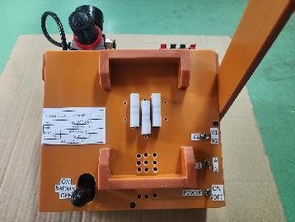 | 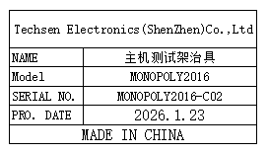 | 5 | H14 | 1 | Testing
Test card | 测试卡 | Techsen Electronics(ShenZhen)Co.,Ltd | MONOPOLY2016 | / |  |  | calibration card:100 tolerance+1mm:100 tolerance-1mm:100 game card:50 | H15 | 1 | Testing

